Supplementary Fig. 1
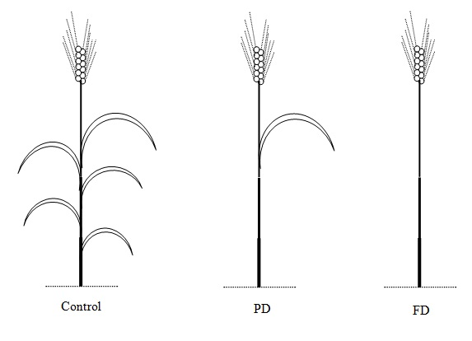
Supplementary Fig. 1: Defoliation treatments included full defoliation (FD, removal of all leaves)
and partial defoliation (PD, removal of all leaves other than flag leaf)
which were applied at both anthesis and 14 DAA stages.

Supplementary Fig. 2
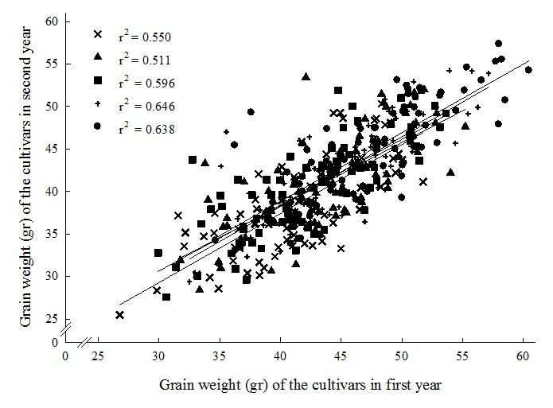
Supplementary Fig. 2: Correlation plot comparing grain weights from the individual field experiments
(, non-defoliated; Î, FD at anthesis; p, PD at anthesis; ¢, FD at 14 DAA; È, PD at 14 DAA)

Supplementary Fig. 3
Supplementary Fig. 3: Starch accumulation and remobilisation in stems and flag leaf sheathes of wheat cultivars Hamon and Maron grown in a controlled high-light environment
 | Each bar is average of three replications. Bars related to corresponding parts of the two cultivars labeled with the same letter are not significantly different
 | (P < 0.05) by t-test; error bars represent standard deviation.

Partially defoliated at 14 DAA and harvested at maturity
non-defoliated plants harvested at 14 DAA
non-defoliated plants harvested at maturity

Lower internodes
 | 14 DAA AVR | non-defoliated AVR | Defoliated AVR
Maron | 0.90811090161 | 0.76208711264 | 0.60226859964
Hamon | 1.1020198277 | 0.69858192978 | 0.52570600536
Penultimate
 | 14 DAA AVR | non-defoliated AVR | Defoliated AVR
Maron | 0.81653583671 | 0.65459064041 | 0.43827731362
Hamon | 1.3282145744 | 0.44449173767 | 0.47322410849

Peduncle
 | 14 DAA | non-defoliated AVR | Defoliated AVR
Maron | 1.6348314298 | 0.3335748312 | 0.26237031176
Hamon | 1.9762614416 | 0.48069398874 | 0.79330201582
Flag leaf sheath
 | 14 DAA | non-defoliated | Defoliated
Maron | 2.4216786392 | 0.4565632372 | 0.20355453545
Hamon | 1.3530380959 | 0.10364889621 | 0.34152072518

